Algo - Branch&Bound (Simplex)
Canonical Form: Branch & Bound Algorithm

 | (z) | - | 8x1 | - | 5x2 | = | 0
 |  | x1 | + | x2 | + | s1 | = | 6
 |  | 9x1 | + | 5x2 | + | s2 | = | 45

Branch & Bound Algorithm: LP Relaxsation |  |  |  |  |  |  |  |  | Branch & Bound Algorithm
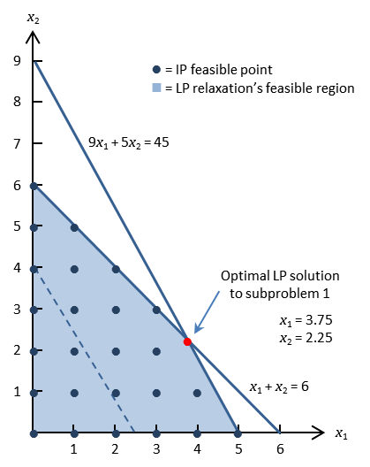
 | T-i | x1 | x2 | s1 | s2 | rhs | θ
 | z | -8 | -5 | 0 | 0 | 0
 | 1 | 1 | 1 | 1 | 0 | 6 | 6
 | 2 | 9 | 5 | 0 | 1 | 45 | 5

 | T-2 | x1 | x2 | s1 | s2 | rhs | θ
 | z | 0 | -0.55555555556 | 0 | 0.88888888889 | 40
 | 1 | 0 | 0.44444444444 | 1 | -0.11111111111 | 1 | 2.25
 | 2 | 1 | 0.55555555556 | 0 | 0.11111111111 | 5 | 9

 | T-3* | x1 | x2 | s1 | s2 | rhs
 | z | 0 | 0 | 1.25 | 0.75 | 41.25
 | 1 | 0 | 1 | 2.25 | -0.25 | 2.25
 | 2 | 1 | 0 | -1.25 | 0.25 | 3.75

 | Sub-Problem 1: x1 ≤ 3
 | Sub-Problem 2: x1 ≥ 4

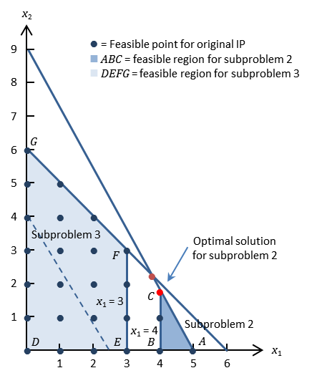
Sub-Problem 1: x1 ≥ 4 |  |  |  |  |  |  |  |  | Sub-Problem 2: x1 ≤ 3 |  |  |  |  |  |  |  |  |  | Sub-Problem 2: x1 ≤ 3
 |  |  |  |  |  |  |  |  |  |  |  |  |  |  |  |  |  |  | Sub-Problem 1: x1 ≥ 4
 | T-3 | x1 | x2 | s1 | s2 | e3 | rhs |  |  | T-3 | x1 | x2 | s1 | s2 | s3 | rhs
 | 2 | 1 | 0 | -1.25 | 0.25 | 0 | 3.75 |  |  | 2 | 1 | 0 | -1.25 | 0.25 | 0 | 3.75
 | 3 | 1 | 0 | 0 | 0 | -1 | 4 |  |  | 3 | 1 | 0 | 0 | 0 | 1 | 3
 | 2-3 | 0 | 0 | -1.25 | 0.25 | 1 | -0.25 |  |  | 2-3 | 0 | 0 | -1.25 | 0.25 | -1 | 0.75
 |  |  |  |  |  |  |  |  |  | 3 x -1 | 0 | 0 | 1.25 | -0.25 | 1 | -0.75
 | T-3 | x1 | x2 | s1 | s2 | e3 | rhs
 | z | 0 | 0 | 1.25 | 0.75 | 0 | 41.25 |  |  | T-3 | x1 | x2 | s1 | s2 | s3 | rhs
 | 1 | 0 | 1 | 2.25 | -0.25 | 0 | 2.25 |  |  | z | 0 | 0 | 1.25 | 0.75 | 0 | 41.25
 | 2 | 1 | 0 | -1.25 | 0.25 | 0 | 3.75 |  |  | 1 | 0 | 1 | 2.25 | -0.25 | 0 | 2.25
 | 3 | 0 | 0 | -1.25 | 0.25 | 1 | -0.25 |  |  | 2 | 1 | 0 | -1.25 | 0.25 | 0 | 3.75
 | θ |  |  | 1 |  |  |  |  |  | 3 | 0 | 0 | 1.25 | -0.25 | 1 | -0.75
 |  |  |  |  |  |  |  |  |  | θ |  |  |  | 3
 | T-4 | x1 | x2 | s1 | s2 | e3 | rhs
 | z | 0 | 0 | 0 | 1 | 1 | 41 |  |  | T-4 | x1 | x2 | s1 | s2 | s3 | rhs
 | 1 | 0 | 1 | 0 | 0.2 | 1.8 | 1.8 |  |  | z | 0 | 0 | 5 | 0 | 3 | 39
 | 2 | 1 | 0 | 0 | 0 | -1 | 4 |  |  | 1 | 0 | 1 | 1 | 0 | -1 | 3
 | 3 | 0 | 0 | 1 | -0.2 | -0.8 | 0.2 |  |  | 2 | 1 | 0 | 0 | 0 | 1 | 3
 |  |  |  |  |  |  |  |  |  | 3 | 0 | 0 | -5 | 1 | -4 | 3
 | Sub-Problem 1.1: x2 ≥ 2
 | Sub-Problem 1.2: x2 ≤ 1 |  |  |  |  |  |  |  |  | Candidate A

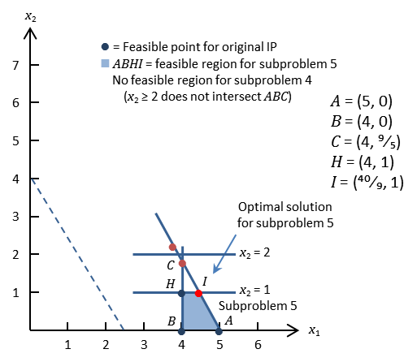
Sub-Problem 1.1: x2 ≥ 2 |  |  |  |  |  |  |  |  |  | Sub-Problem 1.2: x2 ≤ 1 |  |  |  |  |  |  |  |  |  |  | Sub-Problem 1.1: x2 ≥ 2
 |  |  |  |  |  |  |  |  |  |  |  |  |  |  |  |  |  |  |  |  | Sub-Problem 1.2: x2 ≤ 1
 | T-4 | x1 | x2 | s1 | s2 | e3 | e4 | rhs |  |  | T-4 | x1 | x2 | s1 | s2 | e3 | s4 | rhs
 | 1 | 0 | 1 | 0 | 0.2 | 1.8 | 0 | 1.8 |  |  | 1 | 0 | 1 | 0 | 0.2 | 1.8 | 0 | 1.8
 | 4 | 0 | 1 | 0 | 0 | 0 | -1 | 2 |  |  | 4 | 0 | 1 | 0 | 0 | 0 | 1 | 1
 | 1-4 | 0 | 0 | 0 | 0.2 | 1.8 | 1 | -0.2 |  |  | 1-4 | 0 | 0 | 0 | 0.2 | 1.8 | -1 | 0.8
 |  |  |  |  |  |  |  |  |  |  | 4 x -1 | 0 | 0 | 0 | -0.2 | -1.8 | 1 | -0.8
 | T-4 | x1 | x2 | s1 | s2 | e3 | e4 | rhs
 | z | 0 | 0 | 0 | 1 | 1 | 0 | 41 |  |  | T-4 | x1 | x2 | s1 | s2 | e3 | s4 | rhs
 | 1 | 0 | 1 | 0 | 0.2 | 1.8 | 0 | 1.8 |  |  | z | 0 | 0 | 0 | 1 | 1 | 0 | 41
 | 2 | 1 | 0 | 0 | 0 | -1 | 0 | 4 |  |  | 1 | 0 | 1 | 0 | 0.2 | 1.8 | 0 | 1.8
 | 3 | 0 | 0 | 1 | -0.2 | -0.8 | 0 | 0.2 |  |  | 2 | 1 | 0 | 0 | 0 | -1 | 0 | 4
 | 4 | 0 | 0 | 0 | 0.2 | 1.8 | 1 | -0.2 |  |  | 3 | 0 | 0 | 1 | -0.2 | -0.8 | 0 | 0.2
 |  |  |  |  |  |  |  |  |  |  | 4 | 0 | 0 | 0 | -0.2 | -1.8 | 1 | -0.8
 | Infeasible |  |  |  |  |  |  |  |  |  | θ |  |  |  | 5 | 0.55555555556

 |  |  |  |  |  |  |  |  |  |  | T-5 | x1 | x2 | s1 | s2 | e3 | s4 | rhs
 |  |  |  |  |  |  |  |  |  |  | z | 0 | 0 | 0 | 0.88888888889 | 0 | 0.55555555556 | 40.555555556
 |  |  |  |  |  |  |  |  |  |  | 1 | 0 | 1 | 0 | 0 | 0 | 1 | 1
 |  |  |  |  |  |  |  |  |  |  | 2 | 1 | 0 | 0 | 0.11111111111 | 0 | -0.55555555556 | 4.4444444444
 |  |  |  |  |  |  |  |  |  |  | 3 | 0 | 0 | 1 | -0.11111111111 | 0 | -0.44444444444 | 0.55555555556
 |  |  |  |  |  |  |  |  |  |  | 4 | 0 | 0 | 0 | 0.11111111111 | 1 | -0.55555555556 | 0.44444444444

 |  |  |  |  |  |  |  |  |  |  | Sub-Problem 1.2.1: x1 ≥ 5
 |  |  |  |  |  |  |  |  |  |  | Sub-Problem 1.2.2: x1 ≤ 4

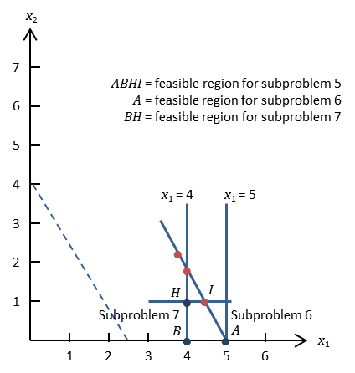
 |  |  |  |  |  |  |  |  |  |  | Sub-Problem 1.2.1: x1 ≥ 5 |  |  |  |  |  |  |  |  | Sub-Problem 1.2.1: x1 ≥ 5 |  |  |  |  |  |  |  |  |  | Sub-Problem 1.2.2: x1 ≤ 4
 |  |  |  |  |  |  |  |  |  |  | Sub-Problem 1.2.2: x1 ≤ 4
 |  |  |  |  |  |  |  |  |  |  |  |  |  |  |  |  |  |  |  |  | T-5 | x1 | x2 | s1 | s2 | e3 | s4 | e5 | rhs |  | T-5 | x1 | x2 | s1 | s2 | e3 | s4 | s5 | rhs
 |  |  |  |  |  |  |  |  |  |  |  |  |  |  |  |  |  |  |  |  | 2 | 1 | 0 | 0 | 0.11111111111 | 0 | -0.55555555556 | 0 | 4.4444444444 |  | 2 | 1 | 0 | 0 | 0.11111111111 | 0 | -0.55555555556 | 0 | 4.4444444444
 |  |  |  |  |  |  |  |  |  |  |  |  |  |  |  |  |  |  |  |  | 5 | 1 | 0 | 0 | 0 | 0 | 0 | -1 | 5 |  | 5 | 1 | 0 | 0 | 0 | 0 | 0 | 1 | 4
 |  |  |  |  |  |  |  |  |  |  |  |  |  |  |  |  |  |  |  |  | 2-5 | 0 | 0 | 0 | 0.11111111111 | 0 | -0.55555555556 | 1 | -0.55555555556 |  | 2-5 | 0 | 0 | 0 | 0.11111111111 | 0 | -0.55555555556 | -1 | 0.44444444444
 |  |  |  |  |  |  |  |  |  |  |  |  |  |  |  |  |  |  |  |  |  |  |  |  |  |  |  |  |  |  | 5 x -1 | 0 | 0 | 0 | -0.11111111111 | 0 | 0.55555555556 | 1 | -0.44444444444
 |  |  |  |  |  |  |  |  |  |  |  |  |  |  |  |  |  |  |  |  | T-5 | x1 | x2 | s1 | s2 | e3 | s4 | e5 | rhs
 |  |  |  |  |  |  |  |  |  |  |  |  |  |  |  |  |  |  |  |  | z | 0 | 0 | 0 | 0.88888888889 | 0 | 0.55555555556 | 0 | 40.555555556 |  | T-5 | x1 | x2 | s1 | s2 | e3 | s4 | s5 | rhs
 |  |  |  |  |  |  |  |  |  |  |  |  |  |  |  |  |  |  |  |  | 1 | 0 | 1 | 0 | 0 | 0 | 1 | 0 | 1 |  | z | 0 | 0 | 0 | 0.88888888889 | 0 | 0.55555555556 | 0 | 40.555555556
 |  |  |  |  |  |  |  |  |  |  |  |  |  |  |  |  |  |  |  |  | 2 | 1 | 0 | 0 | 0.11111111111 | 0 | -0.55555555556 | 0 | 4.4444444444 |  | 1 | 0 | 1 | 0 | 0 | 0 | 1 | 0 | 1
 |  |  |  |  |  |  |  |  |  |  |  |  |  |  |  |  |  |  |  |  | 3 | 0 | 0 | 1 | -0.11111111111 | 0 | -0.44444444444 | 0 | 0.55555555556 |  | 2 | 1 | 0 | 0 | 0.11111111111 | 0 | -0.55555555556 | 0 | 4.4444444444
 |  |  |  |  |  |  |  |  |  |  |  |  |  |  |  |  |  |  |  |  | 4 | 0 | 0 | 0 | 0.11111111111 | 1 | -0.55555555556 | 0 | 0.44444444444 |  | 3 | 0 | 0 | 1 | -0.11111111111 | 0 | -0.44444444444 | 0 | 0.55555555556
 |  |  |  |  |  |  |  |  |  |  |  |  |  |  |  |  |  |  |  |  | 5 | 0 | 0 | 0 | 0.11111111111 | 0 | -0.55555555556 | 1 | -0.55555555556 |  | 4 | 0 | 0 | 0 | 0.11111111111 | 1 | -0.55555555556 | 0 | 0.44444444444
 |  |  |  |  |  |  |  |  |  |  |  |  |  |  |  |  |  |  |  |  | θ |  |  |  |  |  | 1 |  |  |  | 5 | 0 | 0 | 0 | -0.11111111111 | 0 | 0.55555555556 | 1 | -0.44444444444
 |  |  |  |  |  |  |  |  |  |  |  |  |  |  |  |  |  |  |  |  |  |  |  |  |  |  |  |  |  |  | θ |  |  |  | 8
 |  |  |  |  |  |  |  |  |  |  |  |  |  |  |  |  |  |  |  |  | T-6 | x1 | x2 | s1 | s2 | e3 | s4 | e5 | rhs
 |  |  |  |  |  |  |  |  |  |  |  |  |  |  |  |  |  |  |  |  | z | 0 | 0 | 0 | 1 | 0 | 0 | 1 | 40 |  | T-6 | x1 | x2 | s1 | s2 | e3 | s4 | s5 | rhs
 |  |  |  |  |  |  |  |  |  |  |  |  |  |  |  |  |  |  |  |  | 1 | 0 | 1 | 0 | 0.2 | 0 | 0 | 1.8 | 0 |  | z | 0 | 0 | 0 | 0 | 0 | 5 | 8 | 37
 |  |  |  |  |  |  |  |  |  |  |  |  |  |  |  |  |  |  |  |  | 2 | 1 | 0 | 0 | 0 | 0 | 0 | -1 | 5 |  | 1 | 0 | 1 | 0 | 0 | 0 | 1 | 0 | 1
 |  |  |  |  |  |  |  |  |  |  |  |  |  |  |  |  |  |  |  |  | 3 | 0 | 0 | 1 | -0.2 | 0 | 0 | -0.8 | 1 |  | 2 | 1 | 0 | 0 | 0 | 0 | 0 | 1 | 4
 |  |  |  |  |  |  |  |  |  |  |  |  |  |  |  |  |  |  |  |  | 4 | 0 | 0 | 0 | 0 | 1 | 0 | -1 | 1 |  | 3 | 0 | 0 | 1 | 0 | 0 | -1 | -1 | 1
 |  |  |  |  |  |  |  |  |  |  |  |  |  |  |  |  |  |  |  |  | 5 | 0 | 0 | 0 | -0.2 | 0 | 1 | -1.8 | 1 |  | 4 | 0 | 0 | 0 | 0 | 1 | 0 | 1 | 0
 |  |  |  |  |  |  |  |  |  |  |  |  |  |  |  |  |  |  |  |  |  |  |  |  |  |  |  |  |  |  | 5 | 0 | 0 | 0 | 1 | 0 | -5 | -9 | 4
 |  |  |  |  |  |  |  |  |  |  |  |  |  |  |  |  |  |  |  |  | Best |  | Cadindate B
 |  |  |  |  |  |  |  |  |  |  |  |  |  |  |  |  |  |  |  |  |  |  |  |  |  |  |  |  |  |  | Candidate C

Algo - Cutting Plane
Canonical Form: Cutting Plane Algorithm

 | (z) | - | 8x1 | - | 5x2 | = | 0
 |  | x1 | + | x2 | + | s1 | = | 6
 |  | 9x1 | + | 5x2 | + | s2 | = | 45

Cutting Plane Algorithm: LP Relaxsation |  |  |  |  |  |  |  |  | Cutting Plane Algorithm: LP Relaxsation (Graphical)
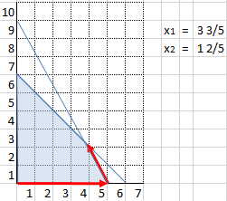
 | T-i | x1 | x2 | s1 | s2 | rhs | θ
 | z | -8 | -5 | 0 | 0 | 0
 | 1 | 1 | 1 | 1 | 0 | 6 | 6
 | 2 | 9 | 5 | 0 | 1 | 45 | 5

 | T-2 | x1 | x2 | s1 | s2 | rhs | θ
 | z | 0 | -0.55555555556 | 0 | 0.88888888889 | 40
 | 1 | 0 | 0.44444444444 | 1 | -0.11111111111 | 1 | 2.25
 | 2 | 1 | 0.55555555556 | 0 | 0.11111111111 | 5 | 9

 | T-3* | x1 | x2 | s1 | s2 | rhs
 | z | 0 | 0 | 1.25 | 0.75 | 41.25
 | 1 | 0 | 1 | 2.25 | -0.25 | 2.25
 | 2 | 1 | 0 | -1.25 | 0.25 | 3.75

 | Cut on x1

Cutting Plane Algorithm: Cut 1

 | Cut 1: x1
 | x1 | -1,25s1 | +0,25s2 | = | 3.75
 | x1 | -2s1 | +0,75s1 | +0s2 | +0,25s2 | = | 3 | +0,75
 | x1 | -2s1 | +0s2 | -3 | = | -0,75s1 | -0,25s2 | +0,75
 |  | -0,75s1 | -0,25s2 | +0,75 | ≤ | 0

 | T-3* | x1 | x2 | s1 | s2 | s3 | rhs
 | z | 0 | 0 | 1.25 | 0.75 | 0 | 41.25
 | 1 | 0 | 1 | 2.25 | -0.25 | 0 | 2.25
 | 2 | 1 | 0 | -1.25 | 0.25 | 0 | 3.75
 | 3 | 0 | 0 | -0.75 | -0.25 | 1 | -0.75
 | θ |  |  | 1.6666666667 | 3

 | T-4* | x1 | x2 | s1 | s2 | s3 | rhs
 | z | 0 | 0 | 0 | 0.33333333333 | 1.6666666667 | 40
 | 1 | 0 | 1 | 0 | -1 | 3 | 0
 | 2 | 1 | 0 | 0 | 0.66666666667 | -1.6666666667 | 5
 | 3 | 0 | 0 | 1 | 0.33333333333 | -1.3333333333 | 1

